Page 1
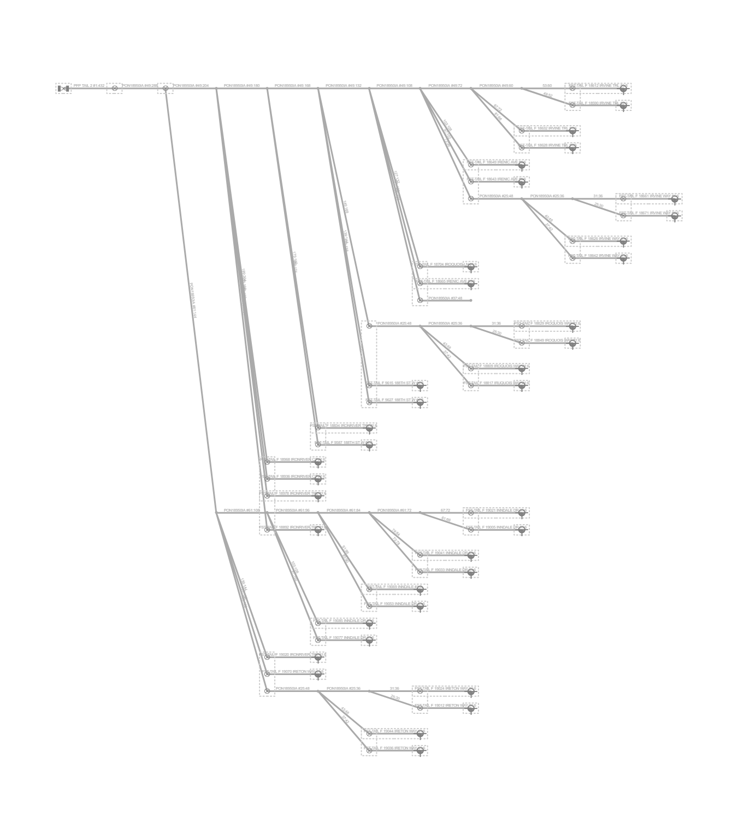
Fiber Trace Report
Fiber Panel: PFP-DISTRIBUTION3802PA-04 PFP Dist Pnl 432
Ports: out:1:432
Design: PSA-3802PA-BRVLMNYF-CHARLIE
Date: 10/7/2024

